Main
Conveyor data |  | Conveyor data results
Material |  | Power
Type of material | Bones, Whole** | Total HP | 0.355 HP | 0.265 kW
Material code | 43E45V | Closest motor HP | 1.000 HP | 0.746 kW
Density | 42.500 lb/ft3 | Upper size motor HP | 3.000 HP | 2.237 kW
Conveyor |  | Design criteria
Required Capacity | 414.988 ft3/h | Bolt Safety Factor | 2.031 |  | OK
Required mass flow | 8000.000 kg/h | Deflection | 0.007 in | 0.175 mm | OK
Required speed | 20.000 RPM | Reduced or equivalent stress | 3.719 ksi | 25.639 MPa
Length of conveyor | 2000 mm | Pipe Safety Factor | 6.723 |  | OK
Screw diameter | 9 in | Required mass flow | 4328.704 lb/h | 1963.465 kg/h
Inclination | 0 deg | Required RPM | 20.000 RPM
Bearing type | Ball
Percent trough load | 30%A | Transmition data
End support? | Yes | Primary transmition
Screw conveyor pipe size | 3" sch 80 | M/Red. # Teeth Sprocket | 20
Shaft | 60 mm | Conveyor # Teeth Sprocket | 30
QTY coupling bolts | 2 | i Sprockets | 1.50
Bolt size | 5/8" - 11 | Conveyor RPM | 20.000 RPM
Bolt grade | 5 | i M/Red. | 58 | 59
Required Safety Factor | 1.5 | M/Red. RPM | 30.000 RPM
Calculations by | RPM | Motor RPM | 1750.000 RPM
Flight data |  | M/Red. RPM Rounded | 29.661 RPM
Pitch | 1 | Conveyor RPM Rounded | 19.774 RPM
Flight thick | 0.375 | M/Red. Reference | THX 3-614-59
Type | Standard
Paddles | 1

CAPACITY BY REQUIRED FLOW
Value | [Units 1] | [Units 2]
N | 81.489 RPM
Required Capacity | 414.988 ft3/h | 11.751 m3/h
Required Capacity (mass flow) | 17636.995 lb/h | 8000.000 kg/h
Equivalent Capacity | 448.187 ft3/h | 12.691 m3/h
Percent trough load | 30%A
Capacity per rpm | 5.500 ft3/h per RPM | 0.156 m3/h per RPM
Cin | 1
CF1 | 1
CF2 | 1
CF3 | 1.08
 | 448.18717624
CAPACITY BY REQUIRED RPM
Value | [Units 1] | [Units 2]
N | 20.000 RPM
Required Capacity | 101.852 ft3/h | 2.884 m3/h
Required Capacity (mass flow) | 4328.704 lb/h | 1963.465 kg/h
Equivalent Capacity | 110.000 ft3/h | 3.115 m3/h
Percent trough load | 30%A
Capacity per rpm | 5.500 ft3/h per RPM | 0.156 m3/h per RPM
Cin | 1
CF1 | 1
CF2 | 1
CF3 | 1.08

RETENTION TIME
Value | [Units 1] | [Units 2]
Capacity by | RPM
Length of conveyor | 6.562 ft | 2000 mm
Length one pitch | 9.000 in | 229 mm
N | 20.000 RPM
Time | 0.437 min

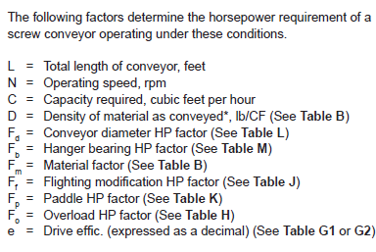
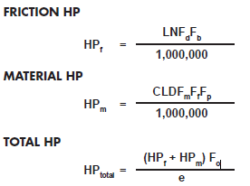
POWER
Value | [Units 1] | [Units 2]
Capacity by | RPM
Friction HP | 0.004 HP | 0.003 kW
Material HP | 0.085 HP | 0.064 kW
Total HP | 0.355 HP | 0.265 kW
Closest motor HP | 1.000 HP | 0.746 kW
Upper size motor HP | 3.000 HP | 2.237 kW
Percent trough load | 30%A
N | 20.000 RPM
Required Capacity | 101.852 ft3/h | 2.884 m3/h
Length of conveyor | 6.562 ft | 2000 mm
Density of material | 42.500 lb/ft3 | 680.786 kg/m3
Conveyor diameter HP Factor | 31.000
Hanger bearing HP Factor | 1.000
Material Factor | 3.000
Flighting modification HP factor | 1.000
Paddle HP factor | 1.000
Overload HP factor | 3.501
Drive effic. | 88%

ELEMENTS CALCULATION
Upper size motor HP | 3.000 HP | 2.237 kW
Torque | 9453.750 lb*in | 1068.085 N*m
Screw conveyor pipe size | 3" sch 80
QTY conveyor supports | 2.000
Flight Weight per unit | 6.379 lb | 2.918 kg
Pipe Weight per meter | 33.176 lb*m | 15.177 kg*m
Screw conveyor weight | 122.157 lb*m | 55.883 kg*m
Moment of Inertia of pipe | 3.894 in4 | 1620937.638 mm4
Deflection | 0.007 in | 0.17 mm
Bending stress | 0.540 ksi | 3.725 MPa
Shear stress | 2.124 ksi | 14.645 MPa
Reduced stress | 3.719 ksi | 25.639 MPa
Pipe Safety Factor | 6.723
External diameter | 3.500 in | 88.9 mm
Maximum operation tangential force | 2700.956 lbf | 12.014 kN
QTY coupling bolts | 2.000
Thread diameter | 0.625 in | 15.9 mm
Thread pitch | 0.091 in | 2.3 mm
Bolt grade | 5.000
Proof screw load | 19200.000 lbf | 85.402 kN
Bolt Safety Factor | 2.031

Tables
Table A
CATEGORY | CODE DESIGNATION
MATERIAL CHARACTERISTICS
Density:
Bulk Density | avg. lbs/CF
Size:
Very Fine — 100 mesh and under | A
Fine — 1⁄8” mesh and under | B
Granular — 1⁄2” mesh and under | C
Lumpy — containing lumps over 1⁄2” | D
Irregular — fibrous, stringy, etc | E |  | Example: Gluten, Meal = 40B35P (from table B) 40 = Density (40 lbs per cubic foot) B = Size of material (fine, 1⁄8” mesh and under) 3 = Flowability (average) 5 = Abrasiveness (mild) P = Other Characteristics (contaminable)
Flowability:
Very free flowing | 1
Free flowing | 2
Average flowability | 3
Sluggish | 4
Abrasiveness:
Mildly abrasive | 5
Moderately abrasive | 6
Extremely abrasive | 7
Other Characteristics:
Builds up & hardens | F
Generates static electricity | G
Decomposes — deteriorates in storage | H
Flammability | J
Becomes plastic or tends to soften | K
Very dusty | L
Aerates and becomes fluid | M
Explosiveness | N
Stickiness-adhesion | O
Contaminable, affecting use | P
Degradable, affecting use | Q
Gives off harmful or toxic gas or fumes | R
Highly corrosive | S
Mildly corrosive | T
Hygroscopic | U
Interlocks, mats or agglomerates | V
Oils present | W
Packs under pressure | X
Very light and fluffy — may be windswept | Y
Elevated temperature | Z

Table C
SPECIAL SCREW PITCH CAPACITY FACTOR CF1
PITCH |  | DESCRIPTION |  |  | CF1 |  | 1 | 1
Standard (full) |  | Pitch | 1 | Diam | 1 |  | 0.66666666667 | 1.5
Short |  | Pitch | 0.66666666667 | Diam | 1.5 |  | 0.5 | 2
Half |  | Pitch | 0.5 | Diam | 2 |  | 0.75 | 1.5
Custom 3/4 |  | Pitch | 0.75 | Diam | 1.5 |  | 0.33333333333 | 2.3333333333
Custom |  | Pitch | 0.33333333333 | Diam | 2.3333333333 |  | 1.5 | 0.67
Long |  | Pitch | 1.5 | Diam | 0.67
SPECIAL SCREW FLIGHT MODIFICATION CAPACITY FACTOR CF2
TYPE OF FLIGHT |  |  | CONVEYOR LOADING
 |  |  | 15% | 30% | 45%
Standard |  |  | 1 | 1 | 1
Cut |  |  | 1.95 | 1.57 | 1.43
Cut & Folded |  |  | not rec. | 3.75 | 2.54
Ribbon |  |  | 1.04 | 1.37 | 1.62
SPECIAL SCREW MIXING PADDLE CAPACITY FACTOR CF3
STD PADDLES PER PITCH SET AT 45° REVERSE PITCH
0 | 1
1 | 1.08
2 | 1.16
3 | 1.24
4 | 1.32

Table E
SCREW DIA (INCHES) | PIPE OD (INCHES) | RADIAL | CLASS 1 | CLASS 2 | CLASS 3
 |  | CLEARANCE | 10% LUMPS MAX LUMP SIZE (IN) | 25% LUMPS MAX LUMP SIZE (IN) | 95% LUMPS MAX LUMP SIZE (IN)
 |  | (INCHES)
6 | 2 3⁄8 | 2 5⁄16 | 1 1⁄4 | 3⁄4 | 1⁄2
9 | 2 3⁄8 | 3 13⁄16 | 2 1⁄4 | 1 1⁄2 | 3⁄4
9 | 2 7⁄8 | 3 9⁄16 | 2 1⁄4 | 1 1⁄2 | 3⁄4
12 | 2 7⁄8 | 5 1⁄16 | 2 3⁄4 | 2 | 1
12 | 3 1⁄2 | 4 3⁄4 | 2 3⁄4 | 2 | 1
12 | 4 | 4 1⁄2 | 2 3⁄4 | 2 | 1
14 | 3 1⁄2 | 5 3⁄4 | 3 1⁄4 | 2 1⁄2 | 1 1⁄4
14 | 4 | 5 1⁄2 | 3 1⁄4 | 2 1⁄2 | 1 1⁄4
14 | 4 1⁄2 | 5 1⁄4 | 3 | 2 | 1
16 | 4 | 6 1⁄2 | 3 3⁄4 | 2 3⁄4 | 1 1⁄2
16 | 4 1⁄2 | 6 1⁄4 | 3 3⁄4 | 2 3⁄4 | 1 1⁄2
16 | 5 9⁄16 | 5 23⁄32 | 3 1⁄4 | 2 1⁄4 | 1 1⁄4
18 | 4 | 7 1⁄2 | 4 1⁄4 | 3 | 1 3⁄4
18 | 4 1⁄2 | 7 1⁄4 | 4 1⁄4 | 3 | 1 3⁄4
18 | 5 9⁄16 | 6 23⁄32 | 3 3⁄4 | 2 1⁄2 | 1 1⁄2
20 | 4 | 8 1⁄2 | 4 3⁄4 | 3 1⁄2 | 2
20 | 4 1⁄2 | 8 1⁄4 | 4 3⁄4 | 3 1⁄2 | 2
20 | 5 9⁄16 | 7 23⁄32 | 4 1⁄4 | 3 | 1 1⁄2
24 | 4 1⁄2 | 10 1⁄4 | 6 | 3 3⁄4 | 2 1⁄2
24 | 5 9⁄16 | 9 23⁄32 | 5 1⁄2 | 3 3⁄4 | 2

Table G1
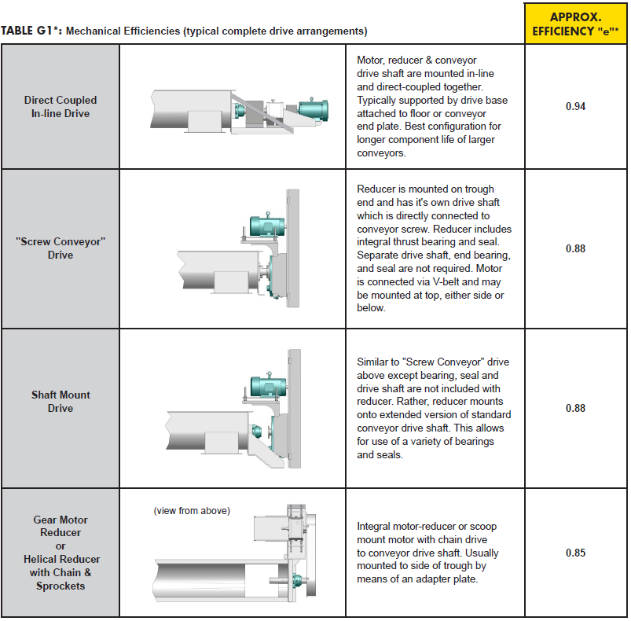

Table G1
V-belts and Sheaves | 0.94
Precision Roller Chain on Cut Tooth Sprockets, Open Guard | 0.93
Precision Roller Chain on Cut Tooth Sprockets, Oil Tight Casing | 0.94
Single Reduction Helical Gear Shaft Mounted Speed Reducers and Screw Conveyor Drives | 0.95
Double Reduction Helical Gear Shaft Mounted Speed Reducers and Screw Conveyor Drives | 0.94
Triple Reduction Helical Gear Shaft Mounted Speed Reducers and Screw Conveyor Drives | 0.93
Low Ratio (up to 20:1 range) Enclosed Worm Gear Speed Reducers | 0.9
Medium Ratio (20:1 to 60:1 range) Enclosed Worm Gear Speed Reducers | 0.7
High Ratio (over 60:1 to 100:1 range) Enclosed Worm Gear Speed Reducers | 0.5
Cut Tooth Miter or Bevel Gear, Enclosed Countershaft Box Ends | 0.93
Cut Tooth Spur Gears, Enclosed, for Each Reduction | 0.93
Cut Tooth Miter or Bevel Gear Open Type Countershaft Box Ends | 0.9
Cut Tooth Spur Gears, Open for Each Reduction | 0.9
Cast Tooth Spur Gears, Open for Each Reduction | 0.85

Table H
3.0
2.9
2.8
2.7
2.6
2.5
2.4
2.3
2.2
2.1
2.0
1.9
1.8
1.7
1.6
1.5
1.4
1.3
1.2
1.1
1.0
0.9
0.8
0.2
0.3
0.4
0.5
0.6
0.8
1
2
3
4
5
6
7
8
9
F
o
Overload HP Factor F
o

Table H2
Standard power | HP
0.5 | 0.5
0.75 | 0.75
1 | 1
1.5 | 1.5
2 | 2
3 | 3
5 | 5
7.5 | 7.5
10 | 10
15 | 15
20 | 20
25 | 25
30 | 30
40 | 40
50 | 50
60 | 60
75 | 75
100 | 100
125 | 125
150 | 150
200 | 200
250 | 250
300 | 300
350 | 350
450 | 450
500 | 500
600 | 600
1090 | 1090
1220 | 1220

Table J
TYPE OF |  | CONVEYOR LOADING
FLIGHTING | 15% | 30% | 45% | 95%
Standard | 1 | 1 | 1 | 1
Cut | 1.1 | 1.15 | 1.2 | 1.3
Cut & Folded | NR | 1.5 | 1.7 | 2.2
Ribbon | 1.05 | 1.14 | 1.2 | NR

Table K
STD PADDLES PER PITCH SET AT 45° REVERSE PITCH
0 | 1
1 | 1.29
2 | 1.58
3 | 1.87
4 | 2.16

Table L
SCREW DIA. | FD
6 | 18
9 | 31
10 | 37
12 | 55
14 | 78
16 | 106
18 | 135
20 | 165
24 | 235
30 | 360
36 | 512
42 | 720
48 | 940
54 | 1200
60 | 1500

Table M
COMPONENT GROUP | BEARING TYPE | FACTOR FB
A | Ball | 1 | "Ball":1,
B & C | Babbitt | 1.7 | "Babbitt":1.7,
 | Bronze | 1.7 | "Bronze":1.7,
 | Bronze (oil impregnated) | 1.7 | "Bronze (oil impregnated)":1.7,
 | Bronze w/Graphite Plugs Canvas Based Phenolic | 1.7 | "Bronze w/Graphite Plugs Canvas Based Phenolic":1.7,
 | Ertalyte | 1.7 | "Ertalyte":1.7,
 | Gatke | 2.5 | "Gatke":2.5,
 | Melamine | 1.7 | "Melamine":1.7,
 | Nylon | 3.5 | "Nylon":3.5,
 | Nylatron GS | 2 | "Nylatron GS":2,
 | Plastic Resin | 2 | "Plastic Resin":2,
 | Ryertex | 1.7 | "Ryertex":1.7,
 | Teflon | 2 | "Teflon":2,
 | UHMW | 2 | "UHMW":2,
 | Wood (oil impregnated) | 1.7 | "Wood (oil impregnated)":1.7,
D | Chilled Hard Iron | 4.4 | "Chilled Hard Iron":4.4,
Req's hardened cplg shaft | Hardened Alloy Sleeve | 4.4 | "Hardened Alloy Sleeve":4.4,
 | Stellite | 4.4 | "Stellite":4.4,

Table N
SCREW DIA (INCHES) | SHAFT SIZE DIA | BOLTS PER COUPLING | SECTIONAL SCREW FLIGHT THICKNESS* | TROUGH | COVER
 |  |  |  | THICKNESS | THICKNESS
 | LIGHT DUTY SERVICE: COMPONENT GROUPS 1A, 1B & 1C
6 | 1 1⁄2 | 2-bolt | 10 ga | 16 ga | 16 ga
9 | 1 1⁄2 | 2-bolt | 10 ga | 14 ga | 14 ga
9 | 2 | 2-bolt | 10 ga | 14 ga | 14 ga
10 | 1 1⁄2 | 2-bolt | 10 ga | 14 ga | 14 ga
12 | 2 | 2-bolt | 3⁄16 | 12 ga | 14 ga
12 | 2 7⁄16 | 2-bolt | 3⁄16 | 12 ga | 14 ga
14 | 2 7⁄16 | 2-bolt | 3⁄16 | 12 ga | 14 ga
16 | 3 | 2-bolt | 3⁄16 | 10 ga | 14 ga
18 | 3 | 2-bolt | 3⁄16 | 10 ga | 12 ga
20 | 3 | 2-bolt | 3⁄16 | 10 ga | 12 ga
24 | 3 7⁄16 | 2-bolt | 1⁄4 | 10 ga | 12 ga
 | Standard Duty Service: Component Groups 2A, 2B, 2C & 2D
6 | 1 1⁄2 | 2-bolt or 3-bolt | 10 ga | 14 ga | 14 ga
9 | 2 | 2-bolt or 3-bolt | 3⁄16 | 10 ga | 14 ga
10 | 2 | 2-bolt or 3-bolt | 3⁄16 | 10 ga | 14 ga
12 | 2 7⁄16 | 2-bolt or 3-bolt | 3⁄16 | 3⁄16 | 14 ga
12 | 3 | 2-bolt or 3-bolt | 1⁄4 | 3⁄16 | 14 ga
14 | 2 7⁄16 | 2-bolt or 3-bolt | 3⁄16 | 3⁄16 | 14 ga
14 | 3 | 2-bolt or 3-bolt | 1⁄4 | 3⁄16 | 14 ga
16 | 3 | 2-bolt or 3-bolt | 1⁄4 | 3⁄16 | 14 ga
18 | 3 | 2-bolt or 3-bolt | 1⁄4 | 3⁄16 | 12 ga
18 | 3 7⁄16 | 2-bolt or 3-bolt | 1⁄4 | 3⁄16 | 12 ga
20 | 3 | 2-bolt or 3-bolt | 1⁄4 | 3⁄16 | 12 ga
20 | 3 7⁄16 | 2-bolt or 3-bolt | 1⁄4 | 3⁄16 | 12 ga
24 | 3 7⁄16 | 2-bolt or 3-bolt | 1⁄4 | 3⁄16 | 12 ga
30 | 3 15⁄16 | 2-bolt or 3-bolt | 3⁄8 | 3⁄16 | 12 ga
36** | 4 7⁄16 | 2-bolt or 3-bolt | 3⁄8 | 3⁄16 | 10 ga
 | Heavy Duty Service: Component Groups 3A, 3B & 3D
6 | 2 | 3-bolt | 3⁄16 or 1⁄4 | 10 ga | 14 ga
9 | 2 | 3-bolt | 1⁄4 | 3⁄16 | 14 ga
10 | 2 | 3-bolt | 1⁄4 | 3⁄16 | 14 ga
12 | 2 7⁄16 | 3-bolt | 1⁄4 or 3⁄8 | 3⁄16 or 1⁄4 | 14 or 12 ga
12 | 3 | 3-bolt | 3⁄8 or 1⁄2 | 3⁄16 or 1⁄4 | 14 or 12 ga
14 | 3 | 3-bolt | 3⁄8 or 1⁄2 | 3⁄16 or 1⁄4 | 14 or 12 ga
16 | 3 | 3-bolt | 3⁄8 or 1⁄2 | 3⁄16 or 1⁄4 | 14 or 12 ga
16 | 3 7⁄16 | 3-bolt | 3⁄8 or 1⁄2 | 3⁄16 or 1⁄4 | 14 or 12 ga
18 | 3 7⁄16 | 3-bolt | 3⁄8 or 1⁄2 | 1⁄4 | 12 or 10 ga
20 | 3 7⁄16 | 3-bolt | 3⁄8 or 1⁄2 | 1⁄4 | 12 or 10 ga
20 | 3 15⁄16 | 3-bolt | 3⁄8 or 1⁄2 | 1⁄4 | 12 or 10 ga
24 | 3 7⁄16 | 3-bolt | 3⁄8 or 1⁄2 | 1⁄4 | 12 or 10 ga
24 | 3 15⁄16 | 3-bolt | 3⁄8 or 1⁄2 | 1⁄4 | 10 ga
30 | 4 7⁄16 | 3-bolt | 3⁄8 or 1⁄2 | 1⁄4 | 10 ga
36** | 4 15⁄16 | 3-bolt | 3⁄8 or 1⁄2 | 1⁄4 | 10 ga

Table Q1
PIPE

 | MAT'L | GEOMETRIC PROPERTIES
PIPE | SS/CS*** | OD [mm] | SCH | e [mm] | ID [mm] | W [kg] | I [in^4]
2" sch 40 | 7,288 | 60 | 40 | 4 | 52 | 5.40 | 0.66
2" sch 80 | 9,501 | 60 | 80 | 6 | 49 | 7.43 | 0.87
2-1/2" sch 40 | 13,832 | 73 | 40 | 5 | 63 | 8.58 | 1.53
2-1/2" sch 80 | 17,402 | 73 | 80 | 7 | 59 | 11.34 | 1.92
2-1/2" sch 80**** | 17,402 | 73 | 80 | 7 | 59 | 11.34 | 1.92
3" sch 40 | 22,413 | 89 | 40 | 5 | 78 | 11.22 | 3.02
3" sch 80 | 28,929 | 89 | 80 | 8 | 74 | 15.18 | 3.89
3" 80/10 clad | 42,631 | 89 | 80 | 8 | 74 | 15.18 | 3.89
3-1/2" sch 40 | 31,120 | 102 | 40 | 6 | 90 | 13.48 | 4.79
3-1/2" sch 80 | 40,821 | 102 | 80 | 8 | 85 | 18.52 | 6.28
3-1/2" 80/10 clad | 58,736 | 102 | 80 | 8 | 85 | 18.52 | 6.28
3-1/2" sch 80**** | 40,821 | 102 | 80 | 8 | 85 | 18.52 | 6.28
4" sch 40 | 41,788 | 114 | 40 | 6 | 102 | 15.97 | 7.23
4" sch 80 | 55,527 | 114 | 80 | 9 | 97 | 22.18 | 9.61
4" 80/10 clad | 78,223 | 114 | 80 | 9 | 97 | 22.18 | 9.61
4" sch 80**** | 55,527 | 114 | 80 | 9 | 97 | 22.18 | 9.61
5" sch 40 | 70,791 | 114 | 80 | 9 | 97 | 22.18 | 9.61
5" sch 80 | 96,539 | 114 | 80 | 9 | 97 | 22.18 | 9.61
5" 80/10 clad | 135,502 | 114 | 80 | 9 | 97 | 22.18 | 9.61
6" sch 40 | 110,445 | 168 | 40 | 7 | 154 | 28.08 | 28.15
6" sch 80 | 158,907 | 168 | 80 | 11 | 146 | 42.29 | 40.50
6" 80/10 clad | 214,041 | 168 | 80 | 11 | 146 | 42.29 | 40.50
8" sch 40 | 218,518 | 219 | 40 | 8 | 203 | 42.28 | 72.52
8" sch 80 | 318,681 | 219 | 80 | 13 | 194 | 64.23 | 105.75
8" 80/10 clad | 413,200 | 219 | 80 | 13 | 194 | 64.23 | 105.75

Table Q2
SHAFTS* |  |  | COUPLING BOLTS
 |  |  | SHEAR
 | MATERIAL
SHAFT DIA | SS/1018** | 4140 | 2-BOLT | 3-BOLT
1-1/2" | 2,565 | 3,552 | 3,829 | 5,743
2" | 6,354 | 8,798 | 7,977 | 11,965
2-7/16" | 12,558 | 17,388 | 9,722 | 14,582
3" | 23,693 | 32,806 | 17,230 | 25,845
3-7/16" | 35,490 | 49,140 | 26,872 | 40,307
3-15/16" | 50,538 | 69,975 | 50,881 | 76,322
4-7/16" | 72,966 | 101,030 | 70,793 | 106,190
4-15/16" | 97,404 | 119,882 | 113,429 | 170,143

Table T
Material | non-lubricated | lubricated
steel - steel | 0.8 | 0.16
steel - cast iron | 0.4 | 0.21
steel - brass | 0.35 | 0.19
steel - brass | 0.13 | 0.16
cast iron - cast iron | 1 | 0.15 - 0.20
cast iron - bronze | 0.25 | 0.08
bronze - bronze | 0.25 | 0.1
aluminum - aluminum | 1.35 | 0.3
copper - copper | 1 | 0.08
steel - plexiglas | 0.4 - 0.5 | 0.4 - 0.5
plexiglas - plexiglas | 0.8 | 0.8

Table U
SCREW DIAMETER | Thickness
 | 0.1875 | 0.25 | 0.375 | 0.5 | 0.625 | 0.75 | 1
6 | 0.606 | 0.808 | 1.212 | 1.617 | 2.021 | 2.425 | 3.233
9 | 1.459 | 1.945 | 2.918 | 3.891 | 4.863 | 5.836 | 7.781
12 | 2.652 | 3.536 | 5.304 | 7.072 | 8.840 | 10.608 | 14.144
14 | 3.637 | 4.849 | 7.274 | 9.699 | 12.123 | 14.548 | 19.397
16 | 4.774 | 6.365 | 9.548 | 12.731 | 15.913 | 19.096 | 25.461
18 | 6.062 | 8.083 | 12.124 | 16.165 | 20.207 | 24.248 | 32.331
20 | 7.502 | 10.003 | 15.004 | 20.005 | 25.007 | 30.008 | 40.011
24 | 10.836 | 14.448 | 21.672 | 28.896 | 36.120 | 43.344 | 57.792
30 | 16.973 | 22.631 | 33.946 | 45.261 | 56.577 | 67.892 | 90.523
36 | 24.475 | 32.633 | 48.950 | 65.267 | 81.583 | 97.900 | 130.533

Table V
Inclination in ° | Correction factor C
0 | 1.000
5 | 0.900
10 | 0.800
15 | 0.700
20 | 0.650
25 | 0.540
30 | 0.450
35 | 0.360
40 | 0.270
45 | 0.180

Table D
Table D
PERCENT | SCREW DIAMETER | MAXIMUM | CAPACITY (FT3/HR) AT MAX RPM | CAPACITY (FT3/HR) PER RPM
TROUGH LOAD |  | RECOMMENDED RPM
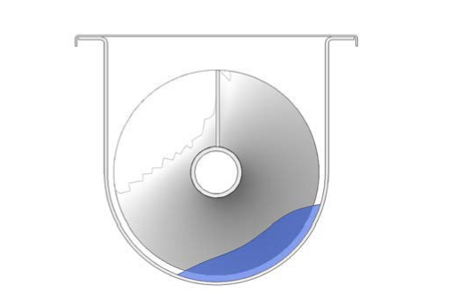 15% | 6 | 60 | 45 | 0.8
 | 9 | 55 | 150 | 2.7
 | 12 | 50 | 325 | 6.5
 | 14 | 50 | 520 | 10.4
 | 16 | 45 | 700 | 15.6
 | 18 | 45 | 1,010 | 22.5
 | 20 | 40 | 1,250 | 31.2
 | 24 | 40 | 2,180 | 54.6
 | 30 | 30 | 3,152 | 105
 | 36 | 20 | 3,597 | 184
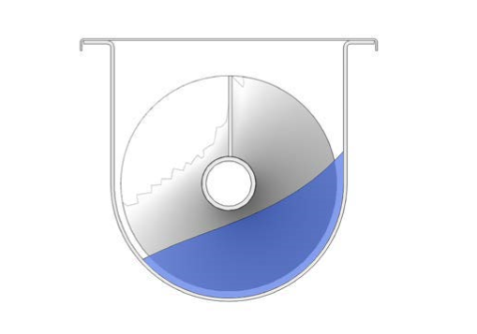 30% A | 6 | 120 | 180 | 1.5
 | 9 | 100 | 545 | 5.5
 | 12 | 90 | 1,160 | 12.9
 | 14 | 85 | 1,770 | 20.8
 | 16 | 80 | 2,500 | 31.2
 | 18 | 75 | 3,380 | 45
 | 20 | 70 | 4,370 | 62.5
 | 24 | 65 | 7,100 | 109
 | 30 | 50 | 10,506 | 210
 | 36 | 35 | 12,593 | 369
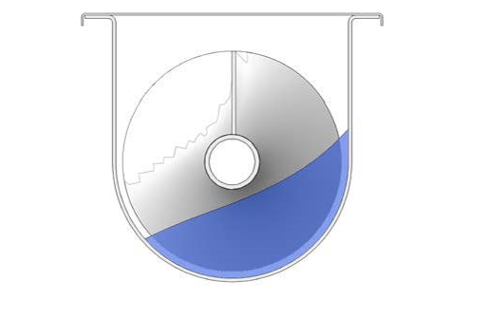 30% B | 6 | 60 | 90 | 1.5
 | 9 | 55 | 295 | 5.7
 | 12 | 50 | 646 | 12.9
 | 14 | 47 | 696 | 14.8
 | 16 | 44 | 1,382 | 31.4
 | 18 | 41 | 1,834 | 44.7
 | 20 | 38 | 2,361 | 62.1
 | 24 | 36 | 3,928 | 109.1
 | 30 | 27 | 5,673 | 210
 | 36 | 19 | 6,836 | 360
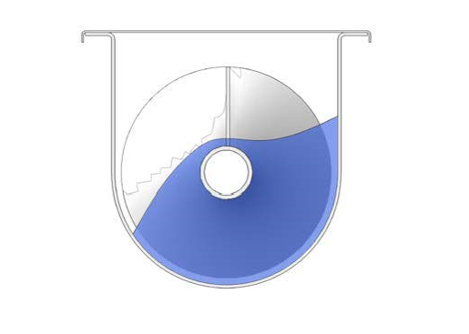 45% | 6 | 165 | 368 | 2.2
 | 9 | 155 | 1,270 | 8.2
 | 12 | 145 | 2,820 | 19.4
 | 14 | 140 | 4,370 | 31.2
 | 16 | 130 | 6,060 | 46.7
 | 18 | 120 | 8,120 | 67.6
 | 20 | 110 | 10,300 | 93.7
 | 24 | 100 | 16,400 | 164
 | 30 | 70 | 22,062 | 315
 | 36 | 40 | 21,587 | 540
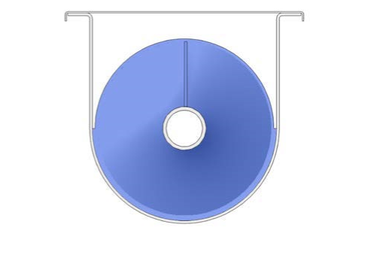 95% | 6 | 300* | 1,415 | 4.7
 | 9 | 275* | 4,832 | 17.6
 | 12 | 255* | 10,760 | 42
 | 14 | 240* | 16,342 | 68
 | 16 | 220* | 22,280 | 101
 | 18 | 210* | 30,529 | 145
 | 20 | 190* | 37,385 | 196
 | 24 | 170* | 58,858 | 346
 | 30 | 115* | 76,519 | 665
 | 36 | 70* | 79,754 | 1,139.00

